Modulator
Circuit ID | Name of the Circuit | Slot | Bank | Column | Category
1 | Amplitude Modulation | 1 | 1 | 11,12,13,14 | Modulator

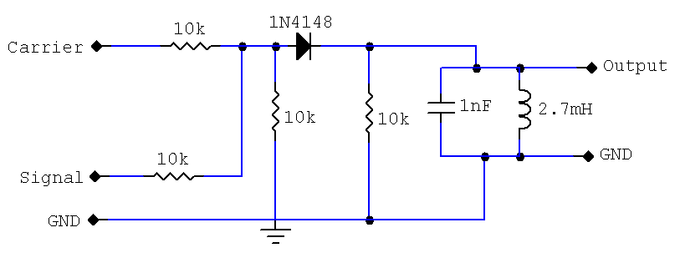

 | 11
 |  |  |  |  |  |  | 14 | 14

 |  |  |  |  |  |  | 13

 | 12
 |  |  |  |  |  |  |  | 12
 | 13

2 | Audio Oscillator 1 | 1 | 1 | 09,10 | Signal Generator
3 | Audio Oscillator 2 | 1 | 1 | 08,10 | Signal Generator
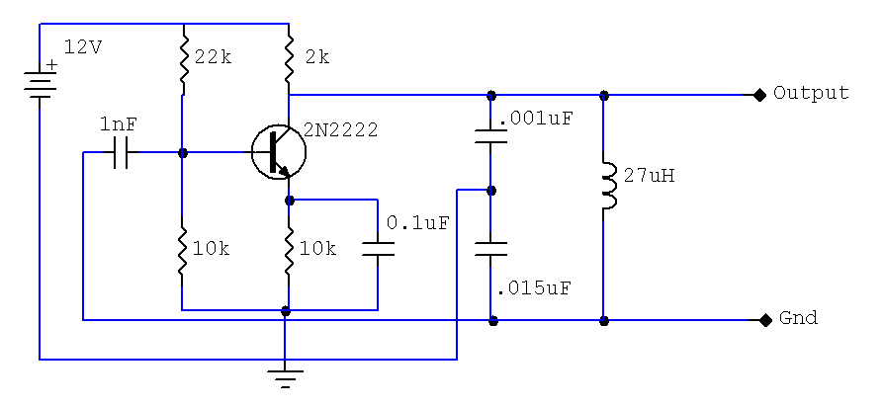

 |  |  |  |  |  | 9

 |  |  |  |  |  | 10

 |  |  |  |  |  | 8

 |  |  |  |  |  | 10

CRO 1

4 | CRO1 | 1 | 1 | 01 | OUTPUT
5 | CRO2 | 1 | 1 | 02 | OUTPUT
6 | CRO3 | 1 | 1 | 03 | OUTPUT
7 | CRO4 | 1 | 1 | 04 | OUTPUT
CRO 2
8 | CRO GND | 1 | 1 | 05 | OUTPUT

CRO 3

CRO 4

Transalation
Circuit ID picked from accordion and placed at Working Pane.

Corresponding circuit ID details will be picked from the DB collecting slot, bank, column.

Netlist list is generated using following way.

ABCDE
VWXYZ

A = slot no from db of the circuit
B= bank no from te db of the circuit
C = lies between 1 to 8 and and incremented with the wire no. and multiple wirring corresponds to same node will have same node no.
D = Column No. connected across te wire

CRO 1
Eg.

 |  |  |  | 01

 |  |  |  | 05

CRO 2

 |  |  |  | 02

 |  |  |  | 05

CRO 3

 |  |  |  | 03

 |  |  |  | 05

CRO 4

 |  |  |  | 04

 |  |  |  | 05

1 1 1 09

File that will be generated as per the Transalation

11109
11111
11208 | SLOT NO |  | COLUMN NO
11212
11310 | BANK NO | 0 < i++ < 9
11313
11305
11414
11401

